Introduction
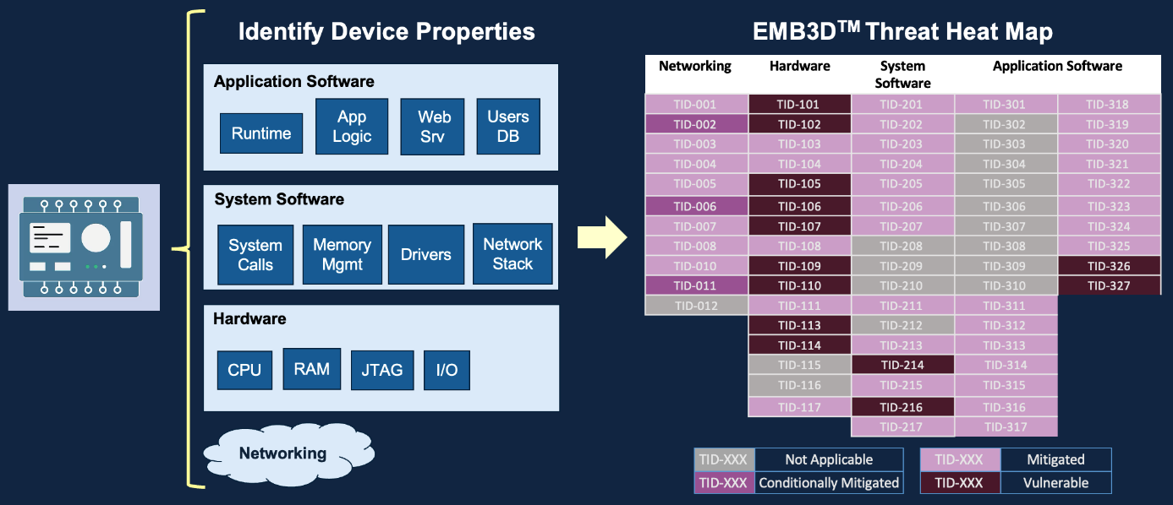
Section | Details
What is EMB3D™? | - A threat model for embedded devices, developed by MITRE in collaboration with Red Balloon Security and Narf Industries.
 | - Focuses on cyber threats in sectors like automotive, IoT, healthcare, and critical infrastructure.
 | - Provides a structured knowledge base of embedded device threats and maps them to security mechanisms needed to mitigate them.
Key Features | - Threat Mapping: Links threats to specific device properties, helping identify vulnerabilities.
 | - Mitigation Strategies: Categorized as Foundational, Intermediate, and Leading.
 | - Integration: Aligned with MITRE ATT&CK, CWE, and CVE.
Use Cases | - Device Manufacturers: Use EMB3D in the design phase to integrate security early.
 | - Asset Owners/Operators: Evaluate and prioritize vulnerabilities in current systems.
 | - Security Researchers: Reference EMB3D for known threats and mitigations.

